Packing Spec
Packaging Specification
Supplier |  |  | Page
Clamason |  |  | 1
Customer |  | Part Number
Schnieder |  | HRB 32260
EC Level. |  | Part Name
B

Finished Product Packaging Specification
Ensure Identification visual Aid is Visible on Label 1000 parts Per Box Use Correct Box (Small Grey Plastic Container) No Contamination, grease , oil on parts

Visual Aid
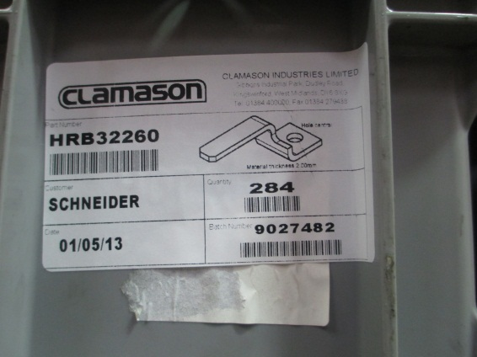 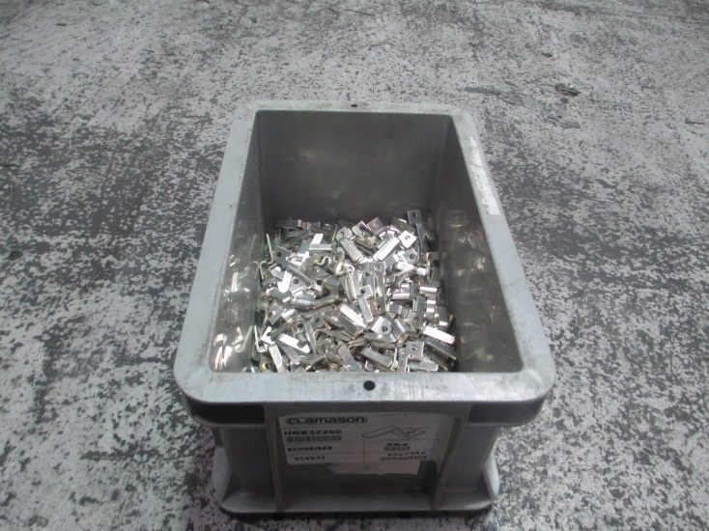

1000

 | Author | Title | Date
 | Sharon Nicklin | Quality Engineer | 20.06.2013

